Foglio1
 |  | CODE: |  |  |  |  | pl1201 ac SN from 02J001
DESCRIPTION: |  | ELECTRIC UNIT |  | ELEKTRISCHE GRUPPE | GROUPE ELECTRIQUE | GRUPO ELÉCTRICO
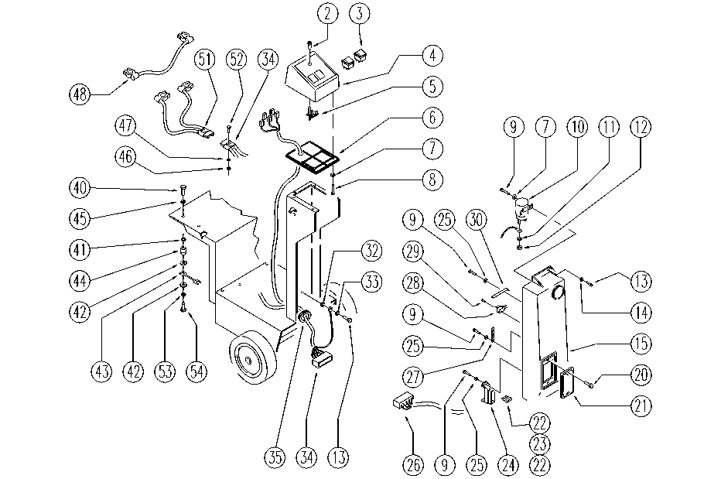

REF. | CODE | DESCRIPTION | QT
2 | E86421 | Reflector | 1
3 | E86423 | Bipolar Switch | 2
4 | E86989 | Control Panel | 1
5 | E86496 | Circuit Board | 1
6 | E89226 | Control panel base AS20 | 1
7 | E89118 | Washer | 4
8 | SL04177 | SCREW | 4
9 | SL04176 | SCREW | 4
10 | E86420 | Relay | 1
11 | E86702 | Cham Washer D8 | 2
12 | E86703 | Nut M8 | 2
13 | E86336 | M4 - 10 Phil Pan Head Screw | 3
14 | E86797 | Washer | 2
15 | SL17166 | COVER | 1
20 | E86426 | Screw for AS20 | 2
21 | E86543 | Fuse Cover for AS20 | 1
22 | E86825 | Fuse 5 amp | 2
23 | E86827 | Fuse 25 amp | 1
24 | SL23894 | CONNECTOR | 1
25 | E88229 | Washer | 2
26 | SL23818 | WIRING | 1
27 | E86512 | Spring | 1
28 | E86422 | Micro Switch | 1
29 | SL04178 | SCREW | 2
30 | E89214 | Foil / Lamina | 1
32 | E86769 | Washer | 3
33 | E86768 | Washer | 1
34 | E86746 | Main Wiring 450-B | 1
35 | E89272 | Fairlead cable guide | 1
40 | E89244 | Screw | 2
41 | E86700 | Cham Washer D6 | 2
42 | E86704 | Washer D 6-18 | 4
43 | E86643 | Fuse 75 amp | 1
44 | E86386 | fuse insulator AS20 | 2
45 | E86707 | Cham Washer D10 | 2
46 | E89274 | Nut | 2
47 | E89275 | Washer | 2
48 | E86433 | Cable, 6 AWG, | 1
51 | SL23839 | WIRING | 1
52 | SL04122 | SCREW | 2
53 | E87921 | Washer | 2
54 | SL04180 | SCREW | 2

